K562
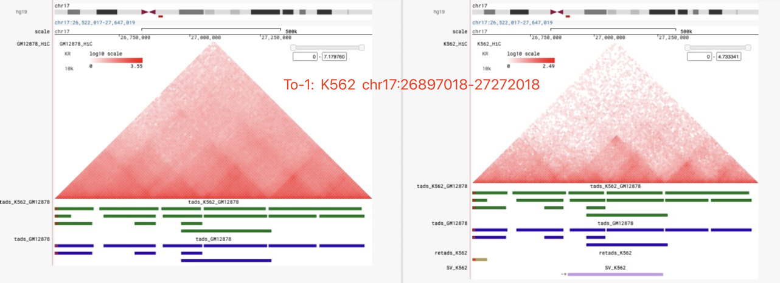
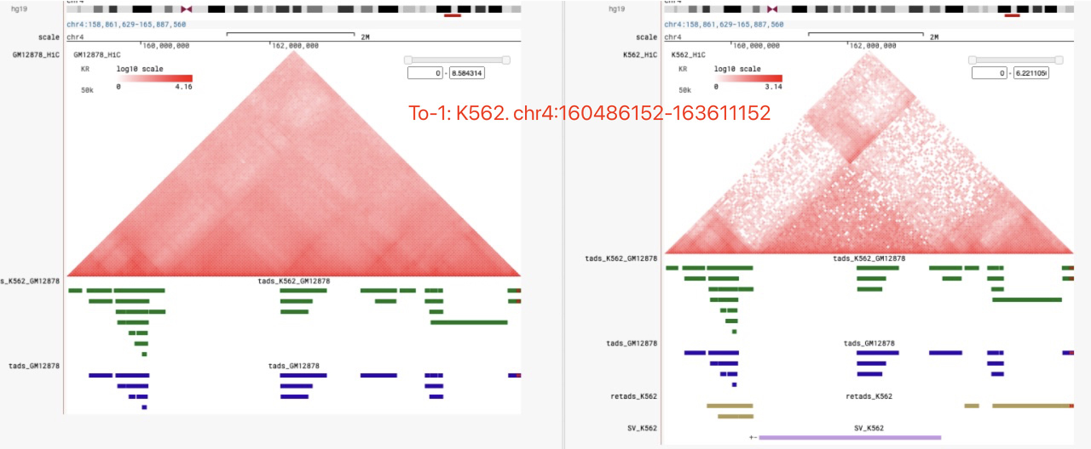
NONA:no_change means p-value >0.05 or P-value = NA has no change, however, the value of Pvalue has littile difference.
chromosome | type | tads 相关？ | retads相关？ |  | notion | NONA | to1
chr10 126633569 126728569 95000 chr10:126633569-126728569 | "+-" | yes | yes | deletion,no data | deletion,no data | no_change | Pvalue = 0
chr10 103604757 103789757 185000 chr10:103604757-103789757 | "+-" | yes | no | deletion,no data | deletion,no data | no_change | no_change
chr10 52114760 52284760 170000 chr10:52114760-52284760 | "+-" | yes | yes |  | Hic 有明显变化：tregth-change
chr11 5331230 5461230 130000 chr11:5331230-5461230 | "+-" | yes | yes |  | Hic 有明显变化：tregth-change
chr13 92942253 93847253 905000 chr13:92942253-93847253 | “--” | yes | yes |  | Hic 有明显变化
chr13 94022253 108497348 14475095 chr13:94022253-108497348 | “+-” | yes | yes |  | 没找出来的retads对应的p-value在0.5左右
chr13 81104135 90437254 9333119 chr13:81104135-90437254 | "+-" | yes | yes |  | 有明显差异
chr13 81084135 81464135 380000 chr13:81084135-81464135 | “-+” | yes | yes
chr13 81469135 90432254 8963119 chr13:81469135-90432254 | "+-" | yes | yes
chr13 108497348 108657348 160000 chr13:108497348-108657348 | "-+" | yes | yes
chr14 66766718 66911718 145000 chr14:66766718-66911718 | "+-" | yes | no | no data | 有明显差异，hic矩阵有缺失，可以认为是数据缺失，pvalue = 0.5566 | no_change | no_change
chr14 23209209 23804209 595000 chr14:23209209-23804209 | "-+" | yes | yes |  | 有明显差异
chr14 67031718 67131718 100000 chr14:67031718-67131718 | "+-" | yes | no | no data | 有明显差异，hic矩阵有缺失，可以认为是数据缺失pvalue = 0.5897 | no_change | Pvalue = 0, 0.68
chr14 97026337 97636337 610000 chr14:97026337-97636337 | "-+" | yes | yes |  | 有明显差异
chr14 67416717 67646717 230000 chr14:67416717-67646717 | "-+" | yes | yes |  | bk 在retads 边缘
chr15 24665147 24720147 55000 chr15:24665147-24720147 | "+-" | no | no |  | HiC矩阵有缺失
chr15 76702341 76962341 260000 chr15:76702341-76962341 | "+-" | yes | yes
chr16 88586408 88856408 270000 chr16:88586408-88856408 | "-+" | yes | yes
chr16 21591321 22706321 1115000 chr16:21591321-22706321 | “++” | yes | no | out-of-range | Pvalue =0.6919，Na，0.3299，out-of-range | Pvalue = 0.6978,0.4744,0.2506 | Pvalue = 0.0029, 0.169,0.06
chr17 26897018 27272018 375000 chr17:26897018-27272018 | “-+” | yes | no | special | P-value = NaN, 0.46, 1 | no_change | Pvalue = 0, 2e-7, 0.07
chr18 3474998 10854998 7380000 chr18:3474998-10854998 | “++” | yes | yes
chr18 475000 3469998 2994998 chr18:475000-3469998 | “--” | yes | yes
chr18 37009964 37204964 195000 chr18:37009964-37204964 | “+-” | no | no |  | HiC矩阵有缺失
chr1 186284132 187034132 750000 chr1:186284132-187034132 |  | yes | yes
chr1 172154140 172609140 455000 chr1:172154140-172609140 | "-+" | yes | yes
chr1 6450060 6615060 165000 chr1:6450060-6615060 | "-+" | yes | yes
chr1 210323345 210818344 494999 chr1:210323345-210818344 | “+-” | yes | yes
chr22 18952513 22932471 3979958 chr22:18952513-22932471 | “--” | yes | yes
chr3 60585733 60750733 165000 chr3:60585733-60750733 | “+-” | no | no
chr3 59740726 60075726 335000 chr3:59740726-60075726 | “+-” | yes | no | no data | HiC矩阵有缺失，Pvalue = NA,2.96e-10 | p-value change to 0,6.75e-09 | no_change
chr3 56014028 56619028 605000 chr3:56014028-56619028 | "-+" | yes | no | special | Pvalue = 0.4180，0.7748 | no_change | Pvalue = 0.08,0.04
chr4 160486152 163611152 3125000 chr4:160486152-163611152 | “+-” | yes | no | no data | HiC矩阵有缺失，Pvalue = NA | no_cahnge,NA | Pvalue = 0, 5e-8, 0, 2.8e-6
chr4 34771622 34826622 55000 chr4:34771622-34826622 | “+-” | no | no |  | deletion,no data
chr5 180377000 180427000 50000 chr5:180377000-180427000 | “+-” | no | no |  | deletion,no data
chr5 53455830 53560830 105000 chr5:53455830-53560830 | “+-” | yes | yes
chr5 163217006 163987006 770000 chr5:163217006-163987006 | "-+" | yes | yes
chr5 144949563 145984563 1035000 chr5:144949563-145984563 | "-+" | yes | yes
chr6 16770231 51734798 34964567 chr6:16770231-51734798 | “++” | yes | yes
chr6 161406032 161666032 260000 chr6:161406032-161666032 | "-+" | yes | yes |  | bk 在retads 边缘
chr6 31617777 31827777 210000 chr6:31617777-31827777 | "-+" | yes | yes
chr7 36319609 36739605 419996 chr7:36319609-36739605 | "-+" | yes | yes
chr7 111115056 111410056 295000 chr7:111115056-111410056 | "-+" | yes | yes
chr7 79299316 79764316 465000 chr7:79299316-79764316 | "-+" | yes | no | special | Pvalue = 1 | no_change | Pvalue = 0.0067
chr8 39227519 39382519 155000 chr8:39227519-39382519 | “+-” | yes | no | out-of-range | HiC矩阵有缺失，Pvalue = 0.5590 | no_change | no_change
chrX 113173278 114394563 1221285 chrX:113173278-114394563 | “-+” | no | no

DIPG007
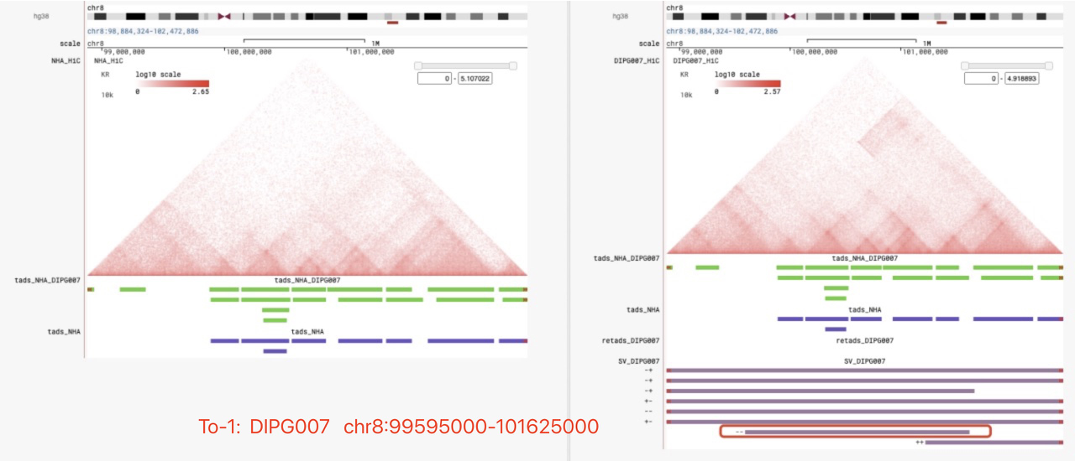
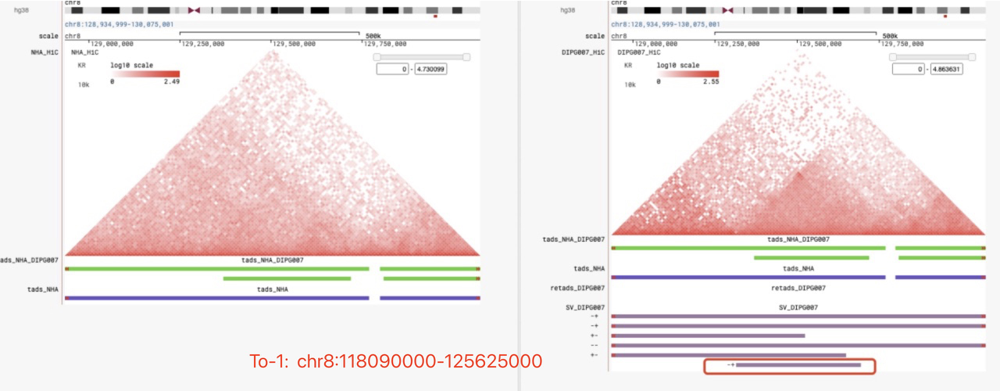
chromosome | type | tads 相关？（NHA） | retads 相关？ |  | reason | NONA | to_1
10 66795000 67275000 480000 chr10:66795000-67275000 | "+-" | yes | no | no data | HiC矩阵有缺失 ( NC中没有大片的空白） | no_change | p_value = 0.50533
12 9395000 31105000 21710000 chr12:9395000-31105000 | "+-" | yes | yes |  | 相对tads数量，retads数量只有两个
14 100705000 103620000 2915000 chr14:100705000-103620000 | "-+" | yes | yes
14 103620000 104810000 1190000 chr14:103620000-104810000 | "- -" | yes | yes
14 104810000 105170000 360000 chr14:104810000-105170000 | "+-" | yes | no | special | Pvalue = 0.067 | no_change | p_value = 0.016
14 100710000 105175000 4465000 chr14:100710000-105175000 | "++" | yes | yes
14 72990000 73715000 725000 chr14:72990000-73715000 | "-+" | yes | yes
16 21580000 22695000 1115000 chr16:21580000-22695000 | "++" | no | no
16 35165000 35230000 65000 chr16:35165000-35230000 | "- -" | yes | no | special (根据距离判断是否out-of-range） | HiC矩阵有缺失,Pvalue = NA, 0.12,0.96(Pvalue中有许多接近1） | Pvalue = NA,nochange | Pvalue = NA,nochange
16 35150000 35520000 370000 chr16:35150000-35520000 | "++" | yes | no | special (根据距离判断是否out-of-range） |  | Pvalue = NA,nochange | Pvalue = NA,nochange
16 26095000 88935000 62840000 chr16:26095000-88935000 | "- -" | yes | no | out-of-range
18 68175000 68225000 50000 chr18:68175000-68225000 | "+-" | yes | no | no data | deletion，no data | no_change | Pvalue = 0
19 13675000 14190000 515000 chr19:13675000-14190000 | "-+" | yes | no | out-of-range | Pvalue = 0.73,0.68,0.69 | no_change | Pvalue = 0.000004,0.008346,0.388
1 72295000 72345000 50000 chr1:72295000-72345000 | "+-" | no | no
2 141105000 141255000 150000 chr2:141105000-141255000 | "+-" | no | no
2 140705000 140925000 220000 chr2:140705000-140925000 | "+-" | yes | no | out-of-range | Pvalue = 0.836430029018276 | no_change | no_change
3 59815000 60205000 390000 chr3:59815000-60205000 | "+-" | yes | no | out-of-range | Pvalue = NA（start = 60010000），Pvalue = 0.9647（start = 59580000） | no_change | Pvalue = 0.225,0.10
3 8805000 9120000 315000 chr3:8805000-9120000 | "-+" | yes | yes
3 28720000 28925000 205000 chr3:28720000-28925000 | "+-" | yes | no | no data | HiC矩阵有缺失，Pvalue = 0.6304 | no_change | Pvalue = 0.000131
4 18795000 18925000 130000 chr4:18795000-18925000 | "+-" | yes | yes
8 89190000 101670000 12480000 chr8:89190000-101670000 | "-+" | yes | yes |  | Pvalue 有部分NA，有很多接近1
8 46015000 141625000 95610000 chr8:46015000-141625000 | "-+" | yes | yes
8 118090000 125625000 7535000 chr8:118090000-125625000 | "- -" | yes | no | out-of-range |  | no_chagne | 显著/不显著 由 0/17 --> 8/17
8 33705000 61550000 27845000 chr8:33705000-61550000 | "-+" | yes | yes
8 94590000 140750000 46160000 chr8:94590000-140750000 | "- -" | yes | yes
8 3580000 3635000 55000 chr8:3580000-3635000 | "+-" | yes | yes
8 90970000 129525000 38555000 chr8:90970000-129525000 | "+-" | yes | yes
8 94655000 109245000 14590000 chr8:94655000-109245000 | "+-" | yes | yes
8 16685000 59970000 43285000 chr8:16685000-59970000 | "+-" | yes | yes
8 101225000 109790000 8565000 chr8:101225000-109790000 | "++" | yes | yes
8 86820000 130435000 43615000 chr8:86820000-130435000 | "-+" | yes | yes
8 16665000 38635000 21970000 chr8:16665000-38635000 | "- -" | yes | yes
8 129315000 129695000 380000 chr8:129315000-129695000 | "-+" | yes | no | out-of-range |  | no_change | Pvalue 由 NA 转为0 （对应sv位置有明显的变化）
8 14710000 49245000 34535000 chr8:14710000-49245000 | "-+" | yes | yes
8 16250000 38745000 22495000 chr8:16250000-38745000 | "++" | yes | yes
8 124995000 129650000 4655000 chr8:124995000-129650000 | "+-" | yes | yes
8 99595000 101625000 2030000 chr8:99595000-101625000 | "- -" | yes | no | out-of-range |  | no_change | 显著/不显著 由 0/6 --> 3/6, 改处对应的hic矩阵有变化（sv的影响比较明显（右边））
8 3885000 4035000 150000 chr8:3885000-4035000 | "+-" | yes | yes
8 18635000 56155000 37520000 chr8:18635000-56155000 | "++" | yes | yes

DIPGXIII
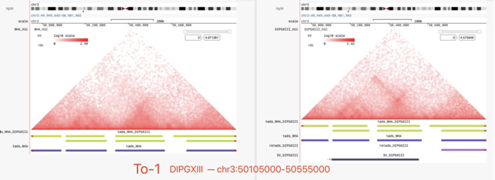
chromosome | type | （NHA）tads 相关？ | retads 相关？ |  | notion | NONA | to1
12 10795000 11375000 580000 chr12:10795000-11375000 | “+-” | yes | no | no data | deletion,no data,Pvalue = NA | no_change | no_change
13 18695000 18890000 195000 chr13:18695000-18890000 | "+-" | yes | no | no data | deletion,no data,Pvalue = NA | no_change | no_change
14 44700000 44755000 55000 chr14:44700000-44755000 | "+-" | no | no |  | deletion,no data
14 25785000 37715000 11930000 chr14:25785000-37715000 | “-+” | yes | yes |  | 相对tads 数量来说，retads只有一个
15 65905000 66280000 375000 chr15:65905000-66280000 | "+-" | yes | no | no data | deletion,no data,Pvalue = NA | no_change | no_change
16 21580000 22695000 1115000 chr16:21580000-22695000 | "++" | no | no
16 1865000 1930000 65000 chr16:1865000-1930000 | "+-" | yes | no | no data | deletion,no data,Pvalue = 1 | no_change | 0.005869
16 400000 525000 125000 chr16:400000-525000 | "+-" | yes | no | no data | deletion,no data,Pvalue = NA,0.98 | no_change | Pvalue = 0.37,0.000344
18 78665000 79720000 1055000 chr18:78665000-79720000 | “- -” | yes | yes |  | bk 在retads 边缘
18 50570000 51830000 1260000 chr18:50570000-51830000 | “- -” | yes | no | no data | Pvalue =NAN,0.26,0.98 | Pvalue = 0.196,NA | Pvalue = 0.84,0.55,0.74
1 72295000 72345000 50000 chr1:72295000-72345000 | "+-" | no | no |  | deletion,no data
21 32835000 33405000 570000 chr21:32835000-33405000 | “-+” | yes | yes
22 42255000 45625000 3370000 chr22:42255000-45625000 | “- -” | yes | yes
22 23355000 23510000 155000 chr22:23355000-23510000 | "+-" | yes | no | no data | deletion,no data,Pvalue = NA | no_change | Pvalue = 0.06
2 131690000 131800000 110000 chr2:131690000-131800000 | "+-" | no | no |  | deletion,no data
2 730000 1535000 805000 chr2:730000-1535000 | "+-" | yes | no | no data | deletion,no data,Pvalue = NA | no_change | no_change
3 50105000 50555000 450000 chr3:50105000-50555000 | “-+” | yes | no | special | Pvalue = 0.8, 0.98 | no_chagne | Pvalue = 5e-10, 9e-3 ; Hic矩阵 有变化
3 162790000 162905000 115000 chr3:162790000-162905000 | “+-” | no | no
4 21520000 21730000 210000 chr4:21520000-21730000 | "+-" | yes | no | no data | deletion,no data | no_chagne | no_chagne
6 168945000 170535000 1590000 chr6:168945000-170535000 | “- -” | yes | yes
6 169720000 170535000 815000 chr6:169720000-170535000 | “+-” | yes | yes
6 168950000 169915000 965000 chr6:168950000-169915000 | “- - ” | yes | yes
6 169690000 170275000 585000 chr6:169690000-170275000 | “- - ” | yes | yes
6 169915000 170525000 610000 chr6:169915000-170525000 | “+-” | yes | yes
7 106455000 121090000 14635000 chr7:106455000-121090000 | “++” | yes | no | out-of-range | pvalue 接近1（0.98，0.89，0.77（min）） | no_change | 2个NAN，0/20 显著比率 - - > 0 个NAN，5/20 x显著比率
7 108145000 121670000 13525000 chr7:108145000-121670000 | “+-” | yes | no | out-of-range |  |  | 2个NAN，0/16 显著比率 - - > 0 个NAN，4/16 显著比率
7 100215000 106455000 6240000 chr7:100215000-106455000 | “+-” | yes | no | out-of-range |  |  | 2个NAN，0/16 显著比率 - - > 0 个NAN，5/16 显著比率
8 60325000 71995000 11670000 chr8:60325000-71995000 | “+-” | yes | yes

